Blue Line
Line | Section | Block Number | Block Length (m) | Block Grade (%) | Speed Limit (Km/Hr) | Infrastructure | ELEVATION (M) | CUMALTIVE ELEVATION (M)
Blue | A | 1 | 50 | 0 | 50 |  | 0.00 | 0.00
Blue | A | 2 | 50 | 0 | 50 |  | 0.00 | 0.00
Blue | A | 3 | 50 | 0 | 50 | RAILWAY CROSSING | 0.00 | 0.00
Blue | A | 4 | 50 | 0 | 50 |  | 0.00 | 0.00
Blue | A | 5 | 50 | 0 | 50 | Switch ( 5 to 6) or (5 to 11) | 0.00 | 0.00
Blue | B | 6 | 50 | 0 | 50 | Switch ( 5 to 6); Light | 0.00 | 0.00
Blue | B | 7 | 50 | 0 | 50 |  | 0.00 | 0.00
Blue | B | 8 | 50 | 0 | 50 |  | 0.00 | 0.00
Blue | B | 9 | 50 | 0 | 50 | Transponder | 0.00 | 0.00
Blue | B | 10 | 50 | 0 | 50 | Station B | 0.00 | 0.00
Blue | C | 11 | 50 | 0 | 50 | Switch (5 to 11); Light | 0.00 | 0.00
Blue | C | 12 | 50 | 0 | 50 |  | 0.00 | 0.00
Blue | C | 13 | 50 | 0 | 50 |  | 0.00 | 0.00
Blue | C | 14 | 50 | 0 | 50 | Transponder | 0.00 | 0.00
Blue | C | 15 | 50 | 0 | 50 | Station C | 0.00 | 0.00
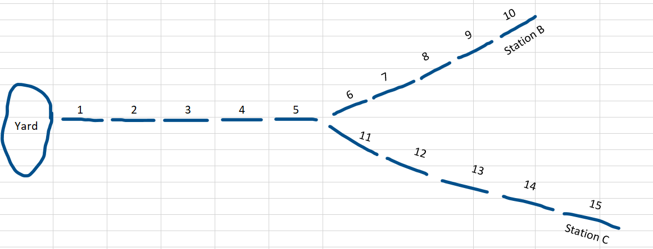

6 7 8 9 10
Station B
Station C

 | 1 | 2 | 3 | 4 | 5
Yard

11 12 13 14 15

Track Layout
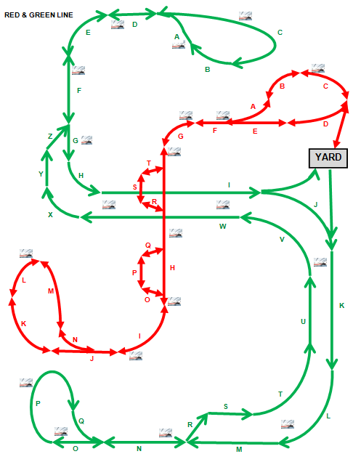
Sections consist of multiple blocks. | Sections are not drawn to scale
The lowest block number is closest to the letter in the alphabet preceding the block section letter.

Vehicle Data 1
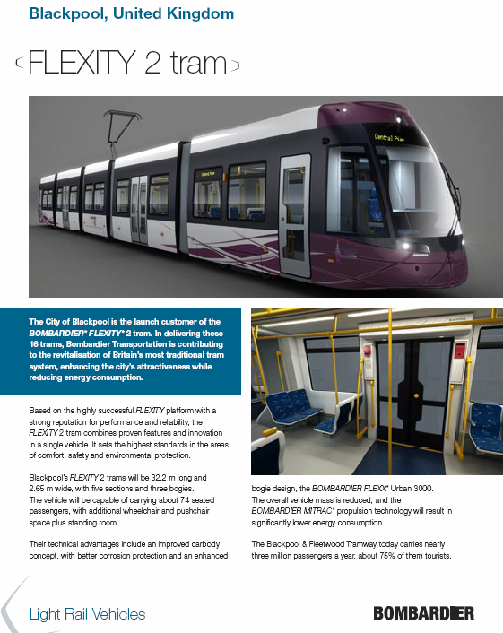

Vehicle Data 2
